Part 2
decomposition
 | splitting a large code into smaller sections

namespace
 | it is a space (understood in a non-physical context) in which some names exist and the names don’t conflict with each other

Module
 | It is each of the smaller section in which a large code is splitted by decomposition
 | It is in fact a Python source file
 | Components
 |  | 1) Module's user
 |  |  | the programmer that load the module
 |  | 2) Module's supplier
 |  |  | the programmer that creates a new module for own use or to share it with others
 |  | 3) Entities
 |  |  | entities contained in a module can be functions, variables, constants, classes, and objects.
 | Importing a Module
 |  | When Python imports a module for the first time, it translates its contents into a semi-compiled state, it is then initialized and executed
 |  | Note: the initialization (variables and functions) takes place only once, when the first import occurs
 |  | only the first import instruction (python command) occurs. Python remembers the imported modules and silently omits all subsequent imports.
 |  | Module initializations
 |  |  | when a module is first imported, its variables are initialized. These variables are valid within the module enviroment. Some of them are:
 |  |  |  | __name__ -> 1) when you run a file directly, its __name__ variable is set to __main__;
 |  |  |  |  | 2) when a file is imported as a module, its __name__ variable is set to the file’s name (excluding the .py file's extention)
 |  |  |  |  | This variable can be used by the module's instance to recognize if it has been imported or executed directly
 |  |  | read-only variable's convention:
 |  |  |  | variables in a module is named with _ or __ to tell module's users to avoid modifiying the value of the variable. It is a convention
 |  | path
 |  |  | it is a list storing path where import will look from modules.
 |  |  | you can append a custom path to the path list
 |  |  |  | from sys import path
 |  |  |  | path.append('..\\modules') |  |  |  |  |  |  | //* the "\" symbol needs to be escaped
 |  |  |  | import module
 | Usages Options:
 |  | 1) Option 1: using import
 |  |  | import the module
 |  |  |  | all the names defined in the module become known, but they don’t enter your code’s namespace.
 |  |  |  | This means that you can have your own entities named sin or pi and they won’t be affected by the import in any way.
 |  |  |  | I.E.
 |  |  |  |  | import math
 |  |  |  |  | import math, sys
 |  |  | invoque the entity
 |  |  |  | I.E.
 |  |  |  |  | print( math.pi)
 |  |  |  |  | print( matn.sin(math.pi/2))
 |  | 2) Option 2 using "from" to import module's entities
 |  |  | This option import the specific entities into the running code's namespace
 |  |  | the code can rewrite the imported entities
 |  |  | It imports the module's entities into the current namespace
 |  |  |  | the imported entities will overwrite any existing name, functions, etc with the same name of the imported entity
 |  |  |  | if pi=5 existed, from math import, then pi will overwrite pi to 3.1416…
 |  |  |  | I.E.
 |  |  |  |  | from math import pi,sin
 |  |  | invoque the entity
 |  |  |  | I.E.
 |  |  |  |  | from math import pi,sin
 |  |  |  |  | print(pi)
 |  |  |  |  | print( sin(pi/2)) |  |  |  | //* = print(sin(3.14/2))
 |  |  |  |  | pi = 6
 |  |  |  |  | print( sin(pi/2)) |  |  |  | //* = print(sin(6/2))
 |  | 3) Option 3: using from to import the whole module
 |  |  | This option import all entities into the code's namespace
 |  |  | import all entities from the module into the current namespace
 |  |  |  | it may create name conflicts or overwrite existing variables, functions, etc
 |  |  |  | I.E.
 |  |  |  |  | from math import *
 |  |  | invoque the entity
 |  |  |  | I.E.
 |  |  |  |  | from math import *
 |  |  |  |  | print(pi)
 |  |  |  |  | print( sin(pi/2))
 |  | 4) Option 4: import module using an alias namespace
 |  |  | If you use the import module variant and you don’t like a particular module’s name
 |  |  | import the module
 |  |  |  | I.E.
 |  |  |  |  | import math as mathematics |  |  |  | //* import module as alias
 |  |  | invoque the entity
 |  |  |  | I.E.
 |  |  |  |  | import math as mathematics
 |  |  |  |  | print( mathematics.pi)
 |  |  |  |  | print( matnematics.sin(mathematics.pi/2))
 |  |  | Note: after successful execution of an aliased import, the original module name becomes inaccessible and must not be used.
 |  | 6) Option 5 using ftom to import module's entities as alias
 |  |  | import the module
 |  |  |  | I.E.
 |  |  |  |  | from math import sin as sinus, pi as pinumber
 |  |  | invoque the entity
 |  |  |  | I.E.
 |  |  |  |  | from math import sin as sinus, pi as pinumber
 |  |  |  |  | print( math.sinus(math.pinumber/2))
 | dir(module_name)
 |  | It is a function that returns an alphabetically sorted list containing all entities’ names available in the module identified by a module_name passed to the function as an argument.
 |  | Note: the module has to have been previously imported as a whole (i.e., using the import module instruction , the "from module" is not enough)
 |  | Note: if the module’s name has been aliased, you must use the alias, not the original name.
 |  | I.E.
 |  |  | import math
 |  |  | for name in dir(math):
 |  |  | print(name)
Standard modules
 | math module
 |  | Trigonometrics
 |  |  | pi
 |  |  | radians(x)
 |  |  |  | a function that converts x from degrees to radians
 |  |  | degrees(x)
 |  |  |  | a function that converts x from radians to degrees
 |  |  | sin(x)→ the sine of x in radiants
 |  |  | cos(x)→ the cosine of x;
 |  |  | tan(x)→ the tangent of x.
 |  |  | asin(x)→ the arcsine of x;
 |  |  | acos(x)→ the arccosine of x;
 |  |  | atan(x)→ the arctangent of x.
 |  |  | sinh(x)→ the hyperbolic sine;
 |  |  | cosh(x)→ the hyperbolic cosine;
 |  |  | tanh(x)→ the hyperbolic tangent;
 |  |  | asinh(x)→ the hyperbolic arcsine;
 |  |  | acosh(x)→ the hyperbolic arccosine;
 |  |  | atanh(x)→ the hyperbolic arctangent
 |  | Exponential
 |  |  | e→ a constant with a value that is an approximation of Euler’s number €
 |  |  | exp(x)→ finding the value of e^x;
 |  |  | log(x)→ the natural logarithm of x
 |  |  | log(x, b)→ the logarithm of x to base b
 |  |  | log10(x)→ the decimal logarithm of x(more precise than log(x,10))
 |  |  | log2(x)→ the binary logarithm of x (more precise than log(x,2))
 |  |  | pow(x,y)→ finding the value of x^y |  |  |  |  | //* pow(x,y) is a built-in function, and doesn’t have to be imported.
 |  | general-purpose
 |  |  | ceil(x)→ the ceiling of x (the smallest integer greater than or equal to x)
 |  |  | floor(x)→ the floor of x (the largest integer less than or equal to x)
 |  |  | trunc(x)→ the value of x truncated to an integer (be careful – it’s not an equivalent either of ceil or floor)
 |  |  | factorial(x)→ returns x! (x has to be an integral and not a negative)
 |  |  | hypot(x,y)→ returns the length of the hypotenuse of a right-angle triangle with the leg lengths equal to x and y (the same as sqrt(pow(x,2)+pow(y,2)) but more precise)
 | random module
 |  | random() → produces a float number x coming from the range (0.0, 1.0) –in other words: (0.0 <= random() < 1.0).
 |  | seed() → sets the seed used by random() with the current time;
 |  | seed(i) → sets the seed used by random() with the integer value i.
 |  |  | I.E.
 |  |  |  | from random import random, seed
 |  |  |  | seed(0)
 |  |  |  | for I in range(5):
 |  |  |  | print(random())
 |  | randrange(end) → generate a random integer number selected from a specified range 0 to end
 |  | randrange(beg,end) → generate a random integer number selected from a specified range beg to end
 |  | randrange(beg, end, step) → generate a random integer number selected from a specified range 0 to end, steping by step
 |  | randint(left, right) → generate a random integer number selected from a specified range left to right + 1
 |  | choice(sequence) → returns a “random” element from the input sequence (list)
 |  | sample(sequence, elements_to_chose=1) → builds a list (a sample) consisting of the elements_to_chose element (which defaults to 1) “drawn” from the input sequence.
 |  |  | I.E.
 |  |  |  | from random import choice, sample
 |  |  |  | lst=(1,2,3,4,5,6,7,8,9,10)
 |  |  |  | print (choice(lst)) |  |  |  | //* 4
 |  |  |  | print(sample(lst,5)) |  |  |  | //* [3, 1, 8, 9, 10]
 |  |  |  | print*sample(lst,10) |  |  |  | //* [10, 8, 5, 1, 6, 4, 3, 9, 7, 2]
 | platform module
 |  | platform(aliased=False, terse=False) -> returns a string describing the OS environment
 |  |  | aliased→ when set to True (or any non-zero value) it may cause the function to present the alternative underlying layer names instead of the common ones
 |  |  | terse→ when set to True (or any non-zero value) it may convince the function to present a briefer form of the result (if possible)
 |  | machine() -> returns the generic name of the processor which runs your OS
 |  | processor() -> returns a string filled with the real processor name (if possible)
 |  | system() -> returns the generic OS name as a string
 |  | version() -> returns the OS version
 |  | python_implementation()→ returns a string denoting the Python implementation
 |  |  | //* expect 'CPython' here, unless you decide to use any non-canonical Python branch
 |  | python_version_tuple()→ returns a three-element tuple filled with
 |  |  | the major part of Python’s version;
 |  |  | the minor part;
 |  |  | the patch level number.
 | sys module
 |  | path
 |  |  | It is a a list storing all locations (folders/directories) that are searched in order to find a module which has been requested by the import instruction
 |  |  | the first folder containing a module with the desired name will be taken into consideration. The import will fail if the module is not found
 |  |  | Note: the folder in which the execution starts is listed in the first path’s element.
 |  |  | Python is able to treat zip files as ordinary folders
 |  |  | Adding a path to the path;s list
 |  |  |  | from sys import path
 |  |  |  | path.append('..\\modules') |  |  |  |  |  |  | //* the "\" symbol needs to be escaped
 |  |  |  | import module
 | More modules
 |  | https://docs.python.org/3/py-modindex.html

Characteristics of a Module
 | - It is a kind of container filled with functions
 | - It is used to avoid mixing functions on different application areas within one module. Group your functions carefully and name the module containing them in a clear and intuitive way
 | - Use a package to group your modules
Creating a custom module
 | creat a file named: module.py
 |  | #!/usr/bin/env python3 |  |  |  |  |  | //* This is called shabang, shebang, hashbang, poundbang or hashpling. It instructs Linux OS how to execute the contents of the file
 |  |  |  |  |  |  |  | //* the absence of that line will cause trouble;
 |  | print("__name__") |  |  |  |  |  | //* on the first import, the module will print the module's name (if importerd) or __main__ if the module script is run directly
 |  | """ module.py - an example of Python module" " " |  |  |  |  |  | //* a string (maybe a multiline) placed before any module instructions (including imports) is called the doc-string, and should briefly explain the purpose and contents of the module
 |  | __counter = 0 |  |  |  |  |  | //* initialization of a user's read-only (convention) variable
 |  | def sum1(list):
 |  | global __counter |  |  |  |  |  | //* global for the module enviroment, not for the main enviroment
 |  | __counter += 1 |  |  |  |  |  | //* this is a counter to audit the number of invocations of sum1()
 |  | sum = 0
 |  | for el in list:
 |  | sum += el
 |  | return sum
 | create a file named: main.py |  |  |  |  |  |  | //* this will the execution code, which will call the module
 |  | from module import sum1
 |  | zeroes = [0 for I in range(5)] |  |  |  |  |  | //* [0,0,0,0,0]
 |  | print(sum1(zeroes)) |  |  |  |  |  | //* 0

Package
 | it is a group of modules
 | Given a list of modules |  |  |  |  |  |  |  |  |  |  |  | We group them logically into a tree structure |  |  |  |  |  |  |  |  |  |  | the tree structure resembles a directory structure
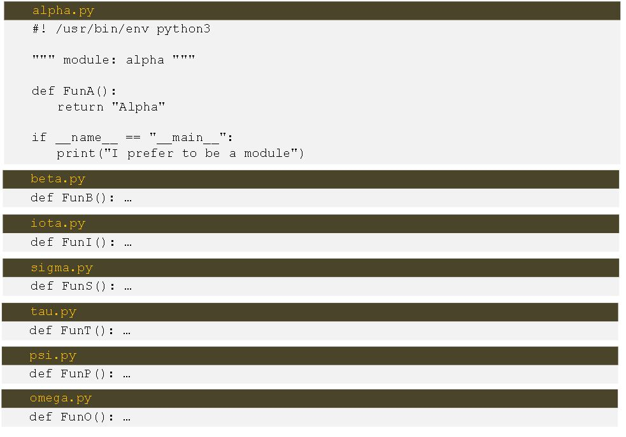
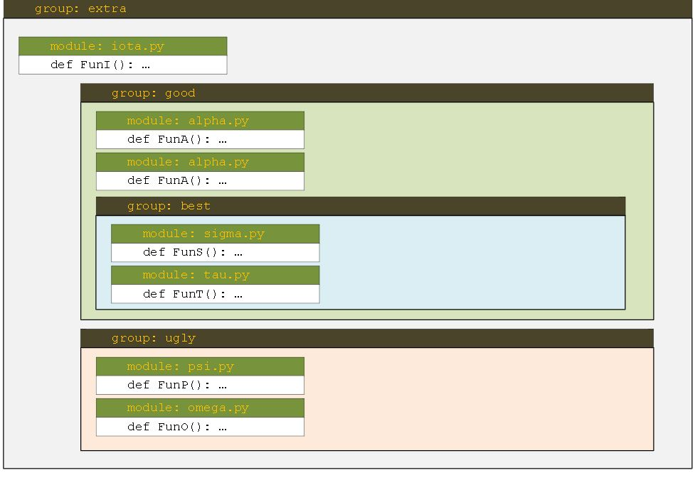
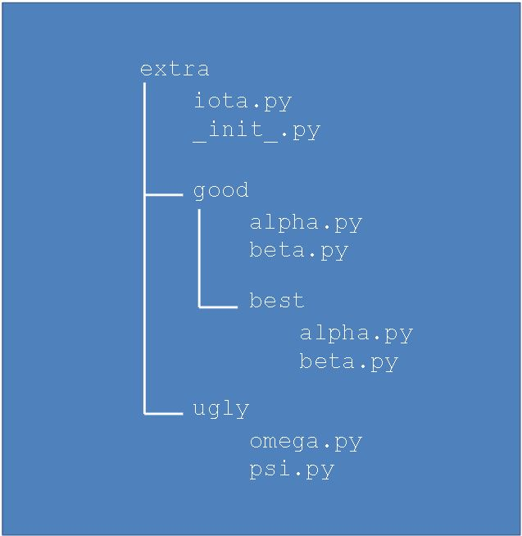
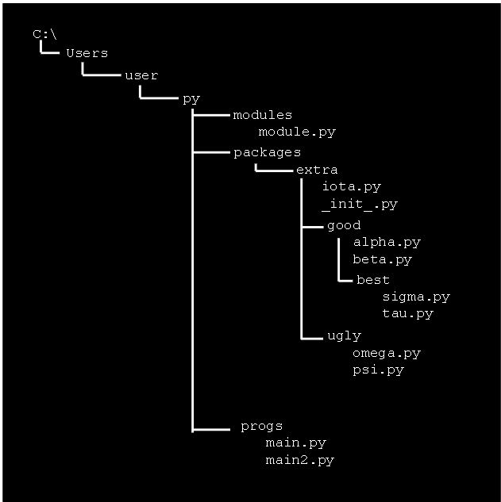

 |  | name of the package
 |  |  | it will be the root of the struture. I.E. extra
 |  | evocating a function of a module
 |  |  | extra.good.best.tau.FunT() |  |  |  |  |  |  |  | //* the location of a function named FunT() from the tau package
 | Package initialization
 |  | packages also needs to be initialized.
 |  | __init__.py
 |  |  | a file inside the package which is executed when any of the package’s modules is imported.
 |  |  | this file can be putted in any place within the tree structure, not only on the root
 | importing a package's module
 |  | I.E.
 |  |  | from sys import path
 |  |  | path.append('..\\packages')
 |  |  | import extra.iota |  |  |  |  |  |  |  |  | //* extra is the package's name
 |  |  | print(extra.iota.FunI())
 |  | I.E.
 |  |  | from sys import path
 |  |  | path.append('..\\packages')
 |  |  | from extra.iota import FunI
 |  |  | print(FunI())
 |  | I.E.
 |  |  | from sys import path
 |  |  | path.append('..\\packages')
 |  |  | import extra.good.best.sigma as sig |  |  |  |  |  |  |  |  | //* using an alias
 |  |  | print(sig.FunS())
 | Shortcutiing the path when importing a module from a package
 |  | 1) Using "From Module_name import function_name"
 |  |  | It allows relative paths
 |  |  | Module_name can be the full path, the name of the module, the name of a parent module.
 |  | 2) Using the "Import module_name"
 |  |  | The full path from the package to the target module must be included in the module_name
 | importing a package's module from a zip file
 |  | python treates zip files a directories
 |  | we zipped the extra directory and all its subdirectories into a file named extractpack.zip
 |  | I.E.
 |  |  | from sys import path
 |  |  | path.append('..\\packages'\extractpack.zip)
 |  |  | import extra.good.best.sigma as sig |  |  |  |  |  |  |  |  | //* using an alias
 |  |  | print(sig.FunS())

Errors, failures, and other plagues
 | Python behaviour on errors:
 |  | raising an exception
 |  |  | 1) it stops your program;
 |  |  | 2) it creates a special kind of data, called an exception.
 |  |  | 3) if the exception is taken care of and handled properly, the suspended program can be resumed and its execution can continue
 | Exception structure
 |  | Exception Name: exception description
 |  | I.E.
 |  |  | ValueError: math domain error |  |  |  |  |  |  |  |  | //* caused by sqrt(-2)
 | Exeptions
 |  | ValueError |  |  |  |  |  |  |  |  |  | //*
 |  | ZeroDivisionError |  |  |  |  |  |  |  |  |  | //* caused by 10/0
 |  | IndexError |  |  |  |  |  |  |  |  |  | //* caused by list(n+1), where n=len(list)
 |  | KeyboardInterrupt |  |  |  |  |  |  |  |  |  | //* if user press <Ctrl>-C when the program is running
 |  | AttributeError |  |  |  |  |  |  |  |  |  | //* when accessing a not existing object's (or class') attribute
 |  | BaseException ← Exception ← ArithmeticError |  |  |  |  |  |  |  |  |  | //* including all exceptions caused by arithmetic operations like zero division or an argument’s invalid domain
 |  | BaseException ← Exception ← AssertionError |  |  |  |  |  |  |  |  |  | //* a concrete exception raised by the assert instruction when its argument evaluates to False, None, zero, or an empty string
 |  | BaseException |  |  |  |  |  |  |  |  |  | //* the most general (abstract) of all Python exceptions – all other exceptions are included in this one;
 |  | BaseException ← Exception |  |  |  |  |  |  |  |  |  | //* an abstract exception including all exceptions caused by errors resulting from code malfunctions (there are also exceptions that are rooted outside of your code; be alert!)
 |  | BaseException ← Exception ← LookupError ← IndexError |  |  |  |  |  |  |  |  |  | //* a concrete exception raised when you try to access a non-existent sequence’s element (e.g., a list’s)
 |  | BaseException ← KeyboardInterrupt |  |  |  |  |  |  |  |  |  | //* a concrete exception raised when the user uses a keyboard shortcut designed to terminate a program’s execution (Ctrl-C in most OSs);
 |  | BaseException ← Exception ← LookupError |  |  |  |  |  |  |  |  |  | //* an abstract exception including all exceptions caused by errors resulting from invalid references to different collections (lists, dictionaries, tuples, etc.)
 |  | BaseException ← Exception ← MemoryError |  |  |  |  |  |  |  |  |  | //* a concrete exception raised when an operation cannot be completed due to a lack of free memory
 |  | BaseException ← Exception ← ArithmeticError ← OverflowError |  |  |  |  |  |  |  |  |  | //* a concrete exception raised when an operation produces a number too big to be successfully stored
 |  | BaseException ← Exception ← StandardError ← ImportError |  |  |  |  |  |  |  |  |  | //* a concrete exception raised when an import operation fails
 |  | BaseException ← Exception ← LookupError ← KeyError |  |  |  |  |  |  |  |  |  | //* a concrete exception raised when you try to access a non-existent collection’s element (e.g., a dictionary’s)
 | Handling exceptions
 |  | try
 |  |  | executes a code and handles any exception from it
 |  |  | if you use try, you must put at least one except (named or not) after it;
 |  |  | I.E.
 |  |  |  | a = int(input())
 |  |  |  | b = int(input())
 |  |  |  | try:
 |  |  |  | print(a/b)
 |  |  |  | print("everything went OK")
 |  |  |  | except: |  |  |  |  |  |  |  | //* this is executed if the code inside the try's block throws an exception/error
 |  |  |  | print('Divison by Zero cannot be done') |  |  |  |  |  |  |  | //* if anything goes wrong inside the try: and except: block, the execution immediately jumps out of the block and
 |  |  |  |  |  |  |  |  |  |  |  | //* into the first instruction located after the except: keyword; this means that some of the instructions from the block may be silently omitted.
 |  |  |  |  |  |  |  |  |  |  |  | //* if an error is thrown, "everything went OK" will not be printed
 |  |  | the console says nothing about the execption if an error is catched by try/except
 |  | try handling multiple exceptions
 |  |  | if the try branch raises the exc1 exception, it will be handled by the except exc1: block;
 |  |  | if an unnamed except branch exists (one without an exception name), it has to be specified as the last
 |  |  | If none of the exception catches the error, an exception will be shown on the console (as if the try did not exist to handle the exception)
 |  |  | I.E.
 |  |  |  | try:
 |  |  |  | x = int(input())
 |  |  |  | y = 1/x
 |  |  |  | print(y)
 |  |  |  | except ZeroDivisionError: |  |  |  |  |  |  |  | //* if x = 0
 |  |  |  | print('Cannot divide by zero')
 |  |  |  | except ValueError: |  |  |  |  |  |  |  | //* if x = "string"
 |  |  |  | print("You have to enter an integer value")
 |  |  |  | except: |  |  |  |  |  |  |  | //* any other error
 |  |  |  | print("Other errors")

 | The anatomy of exceptions
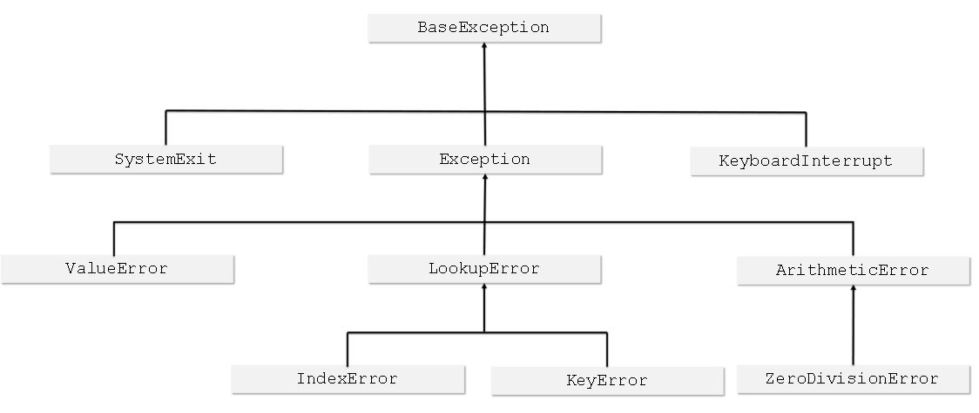

 |  | the closer to the root an exception is located, the more general (abstract) it is. In turn, the exceptions located at the branches’ ends (we can call them leaves) are concrete
 |  |  | ZeroDivisionError is a special case of more a general exception class named ArithmeticError;
 |  |  | ArithmeticError is a special case of a more general exception class named just Exception;
 |  |  | Exception is a special case of a more general class named BaseException;
 |  | first matching branch
 |  |  | each raised exception falls into the first matching branch
 |  |  | I.E.
 |  |  |  | try:
 |  |  |  | y = 1 /0
 |  |  |  | except ZeroDivisionError: |  |  |  |  |  | //* this will be executed, because it is first in the list
 |  |  |  | print('Zero Division')
 |  |  |  | except ArithmeticError: |  |  |  |  |  | //* this will not be executed
 |  |  |  | print('Aritmetic problem')
 |  |  | I.E.
 |  |  |  | try:
 |  |  |  | y = 1 /0
 |  |  |  | except ArithmeticError: |  |  |  |  |  | //* this will be executed. ArithmeticError includes ZeroDivisionError
 |  |  |  | print('Aritmetic problem')
 |  |  |  | except ZeroDivisionError: |  |  |  |  |  | //* this will not be executed
 |  |  |  | print('Zero Division')
 |  |  | the order of the exceptions matters, put more concrete exceptions before more generic ones
 |  | Handling 2 or more exceptions in a single block
 |  |  | I.E.
 |  |  |  | try:
 |  |  |  | y = 1 /0
 |  |  |  | except (ArithmeticError, ValueError):
 |  |  |  | print('Input problem')
 |  | Try inside a function
 |  |  | If an exception is raised inside a function, it can be handled:
 |  |  |  | 1) inside the function;
 |  |  |  |  | I.E.
 |  |  |  |  |  | def badfun(n):
 |  |  |  |  |  |  | try:
 |  |  |  |  |  |  |  | return 1/n
 |  |  |  |  |  |  | except ArithmeticError:
 |  |  |  |  |  |  |  | print('Sorry for the arithmetic!')
 |  |  |  |  |  |  | return None
 |  |  |  |  |  | badfun(0)
 |  |  |  | 2) outside the function;
 |  |  |  |  | Note: the raised exception can cross function and module boundaries, and travel through the invocation chain looking for a matching except
 |  |  |  |  | clause able to handle it.
 |  |  |  |  | I.E.
 |  |  |  |  |  | def badfun(n):
 |  |  |  |  |  | return 1/n
 |  |  |  |  |  | try:
 |  |  |  |  |  | badfun(0)
 |  |  |  |  |  | except ArithmeticError:
 |  |  |  |  |  |  | print('Sorry for the arithmetic!')
 | raise ExceptionName
 |  | it raises the specified exception as if it was raised in a normal (natural) way
 |  | it simulate raising actual exceptions to test your exception handling routine without forcing the code to do stupid things
 |  | I.E.
 |  |  | def badfun(n):
 |  |  |  | raise ZeroDivisionError
 |  |  | try:
 |  |  |  | badfun(0)
 |  |  | except ArithmeticError:
 |  |  |  | print('What did you do?')
 | raise
 |  | without parameter, it be used inside the except branch only
 |  | it is used to re-arise the exception after catching it
 |  | I.E.
 |  |  | def badfun(n):
 |  |  |  | try:
 |  |  |  |  | return n/0
 |  |  |  | except:
 |  |  |  |  | print('I did it again!')
 |  |  |  |  | raise |  |  |  |  | //* re-arise the exception, so it can be catched outside the function
 |  |  | try:
 |  |  |  | badfun(0)
 |  |  | except ArithmeticError:
 |  |  |  | print('I see!')
 | assert expression
 |  | It evaluates the expression and:
 |  |  | 1) do anything f the expression evaluates to True, or a non-zero numerical value, or a non-empty string, or any other value different than None
 |  |  | 2) it automatically and immediately raises an exception named AssertionError, if the expresion is False
 |  | assertions don’t supersede exceptions or validate the data – they are their supplements.
 |  | I.E.
 |  |  | import math
 |  |  | x = float(input())
 |  |  | assert x>=0.0
 |  |  | x = math.sqrt(x)
 |  |  | print(x)
 |  |  | # if x < 0, an exception AssertionError will be thrown. "assert x>=0.0"

Single Characters
 | Types of single Characters
 |  | 1) Namespaces
 |  |  | An example of a whitespace that is completely invisible to the naked eye is a special code, or a pair of codes (different operating systems may treat this issue differently),
 |  |  | which are used to mark the ends of the lines inside text files.
 |  | 2) Control Characters
 |  |  | Their purpose is to control input/output devices
 | ASCII
 |  | American Standard Code for Information Interchange
 |  | It provides space for 256 different characters
 |  | The first 128 are called the "Standard ASCII" and they are used for the standard Latin alphabet (both upper-case and lower-case characters)
 | code point
 |  | it is the ASCII number that represents a character
 |  | For example, 32 is a code point which makes a space in ASCII encoding
 | code page
 |  | it is a ISO/IEC 8859 standard to share the last 128 ASCII characters among all languages
 |  | For example, the code point 200 makes Č (a letter used by some Slavic languages) when utilized by the ISO/IEC 8859-2 code page
 |  | and makes Ш (a Cyrillic letter) when used by the ISO/IEC 8859-5 code page.
 | I18N
 |  | aka internationalization
 | Unicode
 |  | The first 128 Unicode code points are identical to ASCII
 |  | the first 256 Unicode code points are identical to the ISO/IEC 8859-1 code page (a code page designed for western European languages).
 |  | Supported by Python
 | encoding Unicode
 |  | UCS-4
 |  |  | Aka Universal Character Set
 |  |  | It is a standard describing the techniques used to implement Unicode in actual computers and computer storage systems.
 |  |  | It iuses 32 bits (four bytes) to store each character, and the code is just the Unicode code points’ unique number.
 |  |  | It is a rather wasteful standard – it increases a text’s size by four times compared to standard ASCII
 |  | UTF-8
 |  |  | Aka Unicode Transformation Format
 |  |  | Supported by Python
 |  |  |  | you can use Unicode/UTF-8 encoded characters to name variables and other entities
 |  |  | Characteristics
 |  |  |  | all Latin characters (and all standard ASCII characters) occupy eight bits;
 |  |  |  | non-Latin characters occupy 16 bits;
 |  |  |  | CJK (China-Japan-Korea) ideographs occupy 24 bits.

overloading
 | The ability to use the same operator against completely different kinds of data (like numbers vs. strings)
 | For example, + can be used to sum numbers, and to concatenate strings
Commutative
 | a + b = b + a

string
 | It is an immutable sequences of characters. This sequence is not a list but it can behave like lists
 |  | This means that the similarity of strings and lists is limited.
 |  |  | 1) del instruction cannot be used to remove a character from a string. Only to delete the whole string
 |  |  | 2) strings do not have an append method
 |  |  | 3) strings do not have an insert method
 | Multiline string using triple quotation marks or triple apostrophes
 |  | I.E.
 |  |  | Multiline1 =' ' 'Line # 1
 |  |  | Line #2 ' ' '
 |  |  | Multiline2 = " " "Line # 1
 |  |  | Line #2
 |  |  | Line #3 " " "
 | String Operations
 |  | len(string)
 |  |  | it is a function that returns a number of characters contained by the arguments
 |  |  | escape characters are not included in the string’s total length, except \n
 |  | Concatenate (+)
 |  |  | I.E.
 |  |  |  | str1="aaa"
 |  |  |  | str2="bbb"
 |  |  |  | print(str1+str2) |  |  |  |  | //* aaabbb
 |  | Replicate (*)
 |  |  | I.E.
 |  |  |  | str1="aaa"
 |  |  |  | str2="bbb"
 |  |  |  | print(str1 * 3) |  |  |  |  | //* aaaaaaaaa
 |  |  |  | print(2 * str2) |  |  |  |  | //* bbbbbb
 |  | Concatenate and assign (+=)
 |  |  | str1 += str2 is the same as str1 = str1 + str2
 |  | Replicate and assign (*=)
 |  |  | str1 *= 2 is the same as str1 = str1 * 2
 |  | ord(character)
 |  |  | It returns ASCII/UNICODE code point value of the argument (a one-character string)
 |  | chr(int)
 |  |  | It returns a one character string that corresponds to the ASCII/UNICODE code point value (argument)
 |  | String Inde (string[x])
 |  |  | Strings aren’t lists, but you can treat them like lists in many particular cases.
 |  |  | I.E.
 |  |  |  | string = 'silly walks'
 |  |  |  | for x in range(len(string)):
 |  |  |  | print(string([x])
 |  |  |  | for y in string:
 |  |  |  | print(y)
 |  | string slice (string[x,y])
 |  |  | like a substring, it returns a subtring from string starting at element x and ending at the element before y
 |  |  | I.E.
 |  |  |  | alpha = "abdefg"
 |  |  |  | print(alpha[1:3]) |  |  |  |  | //* bd
 |  |  |  | print(alpha[3:]) |  |  |  |  | //* efg
 |  |  |  | print(alpha[:3]) |  |  |  |  | //* abd
 |  |  |  | print(alpha[3:-2]) |  |  |  |  | //* e (-1 is the last character, -2 is the one before the last character, -3 is the one before and before the last character then it is the same as alpha[3,4])
 |  |  |  | print(alpha[-3:4]) |  |  |  |  | //* e (same as alpha[3,4])
 |  |  |  | print(alpha[::2]) |  |  |  |  | //* adf (step 2)
 |  |  |  | print(alpha[1::2]) |  |  |  |  | //* beg (step 2)
 |  | In (string1 in string2)
 |  |  | return True is string1 is found in string2
 |  |  | I.E.
 |  |  |  | text = "abcdefghijklmnopqrstuvwxyz"
 |  |  |  | print('f' in text) |  |  |  |  | //* True
 |  |  |  | print("ghi" in text) |  |  |  |  | //* True
 |  |  |  | print('Xyz' in text) |  |  |  |  | //* False
 |  | not in, string1 not in string 2
 |  |  | The opposite of in
 |  | min(string)
 |  |  | it returns the minimum (based on ASCII) element (char if argument is a string or element if argument is a list) of the sequence passed as an argument (string, list, etc but not empty)
 |  | max(string)
 |  |  | it returns the maximum (based on ASCII) element (char if argument is a string or element if argument is a list) of the sequence passed as an argument (string, list, etc but not empty)
 |  | string1.index(string2)
 |  |  | it is a string method that returns index of the first element (char if string1 is a string or element if string1 is a list) of the value specified in its argument.
 |  |  | if not found it throws a ValueError exception
 |  | list(string)
 |  |  | converts a string to a list
 |  |  | takes its argument (a string, tuple, or dictionary) and creates a new list containing all the string’s characters, one per list's element.
 |  | string1.count(string2))
 |  |  | it is a string method that returns the counts of all occurrences of the string2 inside the string1
 |  |  | returns 0 if not found
 |  | string.capitalize()
 |  |  | It is like the proper function of excel
 |  |  | it is a string method that returns a a new string filled with characters taken from the source string, but with the first character capitalized and all other lower-cased
 |  |  | if the first character is not alphabetic, it will return a new string identical to the source string but all lower-cased
 |  | string.center(int)
 |  |  | it is a string method that returns a new string which is a copy of the original string but with its lenght equals to the argument int
 |  |  | If the argument int is bigger than the original string length, the returned string if filled with space with the original string on the center
 |  |  | If the argument int is smaller than the original string length, a copy of the original string is returned
 |  | string.center(int,char)
 |  |  | similar to string.center(int), but used char instead of space for filling
 |  | string1.endswith(string2)
 |  |  | it is a string method that returns True if string1 ends in string2
 |  |  | I.E.
 |  |  |  | print('epsilon'.endswith('on')) |  |  |  |  |  |  | //* True
 |  |  |  | print('epsilon'.endswith('lo')) |  |  |  |  |  |  | //* False
 |  | string1.find(string2)
 |  |  | it is a string method that returns index of the first element (char if string1 is a string or element if string1 is a list) of the value specified in its argument.
 |  |  | it returns -1 is not found
 |  | string1.find(string2,int1)
 |  |  | similar to string1.find(string2), but it begins to search from the int1 (argument) position fo the string1
 |  | string1.find(string2,int1, int2)
 |  |  | similar to string1.find(string2,int1), but it ends the search on the int2 (argument) position fo the string1
 |  | string.isalnum()
 |  |  | it is a string method that returns True if string1 contains only digits and alphabetic charaters
 |  |  | Note- the space character is not alphanumeric
 |  | string.isalpha()
 |  |  | it is a string method that returns True if string1 contains only alphabetic charaters
 |  | string.isdigit()
 |  |  | it is a string method that returns True if string1 contains only digits
 |  | string.islower()
 |  |  | it is a string method that returns True if string1 contains only lower-case alphabetic charaters
 |  | string.isspace()
 |  |  | it is a string method that returns True if string1 contains only spaces or control characters (\n, \r, etc)
 |  | string.isupper()
 |  |  | it is a string method that returns True if string1 contains only upper-case alphabetic charaters
 |  | string1.join(list)
 |  |  | it is a string method that returns a new string consisting of joining all the elements of list argument but using string1 as separator
 |  |  | I.E.
 |  |  |  | print(';'.join(['omicron','pi',rho'])) |  |  |  |  |  |  | //* omicron;pi;rho
 |  | string.lower()
 |  |  | it is a string method that returns a new string which is a copy of the original string but with all its characters lower-cased
 |  | string.lstrip()
 |  |  | it is a string method that returns a new string which is a copy of the original string but with all its leading (spaces at the beginning of the string) spaces removed
 |  | string1.lstrip(string2)
 |  |  | it is a string method that returns a new string which is a copy of the original string but with stripped from the first occurrence of string2 in string1
 |  |  | it returns a copy of the original string if string2 is not found in string1
 |  |  | I.E.
 |  |  |  | print('www.cisco.com'.lstrip('w.')) |  |  |  |  |  |  | //* cisco.com
 |  |  |  | print("www.cisco.comwww.cisco.com".lstrip(".w") |  |  |  |  |  |  | //* cisco.comwww.cisco.com
 |  | string1.replace(string2, string3)
 |  |  | it is a string method that returns a new string which is a copy of the original string but with all occurrences of the first argument been replaced by the second argument
 |  |  | I.E.
 |  |  |  | print('this is it'.replace('is','are')) |  |  |  |  |  |  | //* thare are it
 |  | string1.replace(string2, string3, int)
 |  |  | same as string1.replace(string2, string3) but uses the third argument (int) to limit the number of replacements
 |  | string1.rfind(string2, int1, int2)
 |  |  | it is a string method that returns the index of the first string2 occurrence in string1, but the search is done from right to left beginning on int1 and ending on int2
 |  |  | returns 0-1 if not found |  |  |  |  |  |  |  |  |  | t | a | u |  | t | a | u |  | t | a | u
 |  |  | I.E. |  |  |  |  |  |  |  |  |  | 0 | 1 | 2 | 3 | 4 | 5 | 6 | 7 | 8 | 9 | 10
 |  |  |  | print('tau tau tau'.rfind('ta')) |  |  |  |  |  |  | //* 8 |  | x | x | x | x | x | x | x | x | F | x | x
 |  |  |  | print('tau tau tau'.rfind('ta',9)) |  |  |  |  |  |  | //* -1 |  |  |  |  |  |  |  |  |  |  | x
 |  |  |  | print('tau tau tau'.rfind('ta',3,9)) |  |  |  |  |  |  | //* 4 |  |  |  |  | x | F | x | x | x | x
 |  | string1.rstrip(string2)
 |  |  | it is a string method that returns a new string which is a copy of the original string but with stripped from the beginning to the last occurrence of string2 in string1
 |  |  | it returns a copy of the original string if string2 is not found in string1
 |  |  | I.E.
 |  |  |  | print('upsilon'.rstrip()) |  |  |  |  |  |  | //* upsilon
 |  |  |  | print('www.cisco.com'.rstrip('m')) |  |  |  |  |  |  | //* www.cisco.co
 |  | string1.split()
 |  |  | it is a string method that returns a new list containing substring as elements. The subsctings are splitted from the source string1 using spaces and control characters as separators
 |  |  | It also trim extra spaces
 |  |  | I.E.
 |  |  |  | print('phi chi\npsi'.split()) |  |  |  |  |  |  | //* ['phi', 'chi', 'psi']
 |  |  | Note: the reverse operation can be performed by the join() method.
 |  | string1.startswith(string2)
 |  |  | it is a string method that returns True if string1 begins in string2
 |  | string1.strip()
 |  |  | it is a string method that returns a new list containing the original string1 with all leading and trailing spaces removed
 |  |  | I.E.
 |  |  |  | print(' aleph '.strip()) |  |  |  |  |  |  | //* aleph Note-without beginning and ending spaces
 |  | string1.swapcase()
 |  |  | it is a string method that returns a new list containing the original string1 with it lower-case characters become upper-case, and vice versa.
 |  | string1.title()
 |  |  | it is a string method that returns a new list containing the original string1 with every word’s first letter to upper-case, turning all other ones to lower-case
 |  | string1.upper()
 |  |  | it is a string method that returns a new list containing the original string1 with replaces all lower-case letters with their upper-case counterparts
 |  | str(number1)
 |  |  | It is a function that returns a new string with the numbers in number1 converted to chars
 |  | int(string1)
 |  |  | It is a function that returns a new integer value with the numbers in string converted to int
 |  | float(string1)
 |  |  | It is a function that returns a new float value with the numbers in string converted to float
 | Strings comparison
 |  | Python just compares code point values, character by character of both strings
 |  | 1) string1 == string2
 |  | 2) string1 < string2
 |  |  | 2.1) comparing (ASCII code points) the first different character in both strings
 |  |  |  | I.E.
 |  |  |  |  | print('alphaaaaaaa' < 'alphabet') |  |  |  |  |  | //* True
 |  |  |  | Note- the code point of upper-case letters are taken as lesser than lower-case ones. See ASCII
 |  |  | 2.2) If two strings of different lengths and the shorter one is identical to the longer one’s beginning, the longer string is considered greater.
 |  |  |  | I.E.
 |  |  |  |  | print('alpha' < 'alphabet') |  |  |  |  |  | //* True
 |  | 3) string1 > string2
 |  | 4) string1 <= string2
 |  | 5) string1 >= string2
 |  | 6) string1 == number
 |  |  | this return always False

Lists
 | list Operations
 |  | sorted(list1)
 |  |  | it is a function that returns a new list with the same elements, but sorted, of the original list1
 |  | list1.sort()
 |  |  | it is a list method that sort the elements of the source list list1
 |  | list1.reverse()
 |  |  | it is a string method that changes the order (inverted) of the elements in the list
 |  |  | I.E.
 |  |  |  | os = ['Windows', 'macOS', 'Linux']
 |  |  |  | os.reverse()
 |  |  |  | print(os) |  |  |  |  |  |  | //* ['Linux', 'macOS', 'Windows']
 |  |  | I.E.
 |  |  |  | os = ['Windows', 'macOS', 'Linux']
 |  |  |  | reversed_list = os[::-1]
 |  |  |  | print (reversed_list) |  |  |  |  |  |  | //* ['Linux', 'macOS', 'Windows']
Basic concepts of object programming
 | procedural approach
 |  | Characteristics
 |  |  | 1) the world of data
 |  |  |  | populated with variables of different kinds
 |  |  |  | Data cant use functions
 |  |  | 2) the world of code
 |  |  |  | populated by code grouped into modules and functions
 | Object oriented aproach
 |  | There is no clear border between data and code: they live as one in objects.
 |  | Object programming is the art of defining and expanding classes
 |  | Characteristics
 |  |  | 1) the world of data and code
 |  |  |  | populated with variables of different kinds and functions dividen in classes
 |  |  |  | data can use functions like in methods

Class
 | It is like a recipe (a model) which can be used when you want to create a useful objects
 | Other classes can be created by modifiying or using another class as source (inherance)
Object
 | It is a incarnation of a class
 | It has a set of traits (they are called properties or attributes – we’ll use both words synonymously)
 | It is able to perform a set of activities (which are called methods)
Inheritance
 | New classes can be created by modifiying or using another class as source
 | The new classes inherit properties and methods from the original
 | The most general, and the widest, class is always at the top (the superclass) while its descendants are located below (the subclasses), which inherit properties from parents
 |  | Each subclass is more specialized (or more specific) than its superclass. Conversely, each superclass is more general (more abstract) than any of its subclasses.
Attributes
 | Every existing object may be equipped with three groups of attributes:
 |  | 1) an object has a name that uniquely identifies it within its home namespace (although there may be some anonymous objects, too)
 |  | 2) an object has a set of individual properties which make it original, unique or outstanding (although it’s possible that some objects may have no properties at all)
 |  | 3) an object has a set of abilities to perform specific activities, able to change the object itself, or some of the other objects.
encapsulation
 | the ability to hide (protect) selected values against unauthorized access
 | the encapsulated values can be neither accessed nor modified if you want to use them exclusively;
 | When any class component has a name starting with two underscores, it becomes private – this means that it can be accessed only from within the class.
Property
 | values, variables of an object
Method
 | a function inside the object
constructor
 | it is a function that is executed everytime an object is created from a class
 | It performs all initializations
 | The constructor is defined, when the class is created, using the method __init__(self) |  |  |  |  |  |  |  |  |  |  |  |  | //* self represents the newly created object
 | I.E.
 |  | class Stack:
 |  | def __init___(self): |  |  |  |  |  |  |  | //* defining the constructor
 |  | print('Hi')
 |  | stack = Stack() |  |  |  |  |  |  |  | //* creating an object instance

Creating a class
 | Fromat:
 |  | class ClassName:
 |  | ClassBody
 | I.E.
 |  | class OurClass: |  |  |  |  |  |  | //* creates the class OurClass
 |  | pass |  |  |  |  |  |  | //* pass keyword fills the class with nothing
Creating an Object (instantiation )
 | the newly created object is equipped with everything the class brings
 | Format
 |  | ObjectName = ClassName()
 | I.E.
 |  | ourobject = OurClass() |  |  |  |  |  |  | //* creates the object ourobject using the Ourclass as model
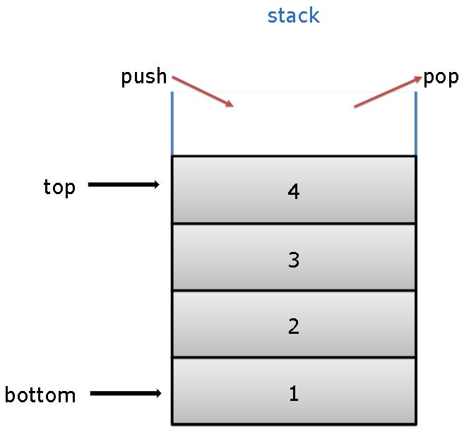
stack
 | aka Last In – First Out (LIFO)
 | Operations
 |  | 1) Push
 |  |  | when a new element is put on the top
 |  | 2) Pop
 |  |  | when an existing element is taken away from the top
 | Creating a stack using a procedural approach
 |  | employing a list.
 |  | Assuming that the last element of the list stores the top element.
 |  | I.E.
 |  |  | stack = []
 |  |  | def push(val):
 |  |  | stack.append(val)
 |  |  | def pop():
 |  |  | val = stack[-1]
 |  |  | del stack[-1]
 |  |  | return val
 |  |  | push(3)
 |  |  | push(2)
 |  |  | push(1)
 |  |  | print(pop()) |  |  |  |  |  |  | //* 1
 |  |  | print(pop()) |  |  |  |  |  |  | //* 2
 |  |  | print(pop()) |  |  |  |  |  |  | //* 3
 | Creating a stack using a object oriented approach
 |  | I.E.
 |  |  | class Stack:
 |  |  | def __init__(self):
 |  |  | self.stk = [] |  |  |  |  |  |  | //* This will create a empty list just for the object instance. Stk will be a property of the object and can be retrieved as objectname.stk
 |  |  | stack = Stack() |  |  |  |  |  |  | //* creating an object instance
 |  |  | print(len(stack.stk)) |  |  |  |  |  |  | //* calling the stack.stk
 | Creating a stack using a object oriented approach but hidding the stack from the outside (encapsulation)
 |  | I.E.
 |  |  | class Stack:
 |  |  | def __init__(self):
 |  |  | self.__stk = [] |  |  |  |  |  |  | //* note the __stk, which encapsulats stk
 |  |  | stack = Stack()
 |  |  | print(len(stack.__stk))

Public functions (methods) of an object
 | invoking a method from within the class demands explicit usage of the self argument, and it has to be put first on the list.
 | I.E.
 |  | class Stack: |  |  |  |  |  |  |  | //* declare the class
 |  |  | def __init__(self): |  |  |  |  |  |  | //* Define the constructor. It is a private function (not a method) because it begins with __
 |  |  |  | self.__stk = [] |  |  |  |  |  | //* makes the __stk list private (cant be accessed from outside the object)
 |  |  | def push(self, val): |  |  |  |  |  |  | //* these functinons are public (can be accessed from outside the object as methods). If you want to make the function private use def __push(self, val)
 |  |  |  | self.__stk.append(val) |  |  |  |  |  | //* self parameter allow the function to access entities (properties and activities/methods) carried out by the actual object. You cannot omit the self parameter. Every time
 |  |  | def pop(self): |  |  |  |  |  |  | //* Python invokes a method, it implicitly sends the current object as the first argument.
 |  |  |  | val = self.__stk[-1]
 |  |  |  | del self.__stk[-1]
 |  |  |  | return val
 |  | stack = Stack() |  |  |  |  |  |  |  | //* instanation of the object from class Stack
 |  | stack.push(3) |  |  |  |  |  |  |  | //* call of the method push from outside the object
 |  | stack.push(2)
 |  | stack.push(1)
 |  | print(stack.pop())
 |  | print(stack.pop())
 |  | print(stack.pop())

Building a Subclass
 | the subclass is a new class that will inherit the properties and methods from the original (parent) class
 | I.E.
 |  | class Stack: |  |  |  |  |  |  |  | //* declaring the class (it will the superclass or parent of the subclass)
 |  |  | def __init__(self):
 |  |  |  | self.__stk = []
 |  |  | def push(self, val):
 |  |  |  | self.__stk.append(val)
 |  |  | def pop(self):
 |  |  |  | val = self.__stk[-1]
 |  |  |  | del self.__stk[-1]
 |  |  |  | return val
 |  | class AddingStack(Stack): |  |  |  |  |  |  |  | //* creates a subclass of Stack
 |  |  | def __init__(self):
 |  |  |  | Stack.__init__(self) |  |  |  |  |  | //* Contrary to many other language, Python forces you to explicitly invoke a superclass’ constructor. Otherwise, _stk will not be initialized
 |  |  |  | self.__sum = 0 |  |  |  |  |  | //* declares a private variable sum. Adding a new property to the class is done by the constructor because we want to initialize it
 |  |  | def push(self,val): |  |  |  |  |  |  | //* creates a method. the push method has been overridden
 |  |  | self._sum += val
 |  |  | Stack.push(self,val) |  |  |  |  |  |  | //* this is necessary because __stk is accessible only from inside the Stack class. __stk is not a property of AddingStack, but a private property of Stack
 |  |  | def pop(self): |  |  |  |  |  |  | //* the pop method has been overridden
 |  |  | val = Stack.pop(self)
 |  |  | self.__sum -= val
 |  |  | return val
 |  |  | def getSum(self):
 |  |  | return self.__sum
 |  | stack =AddingStack() |  |  |  |  |  |  |  | //* instanization of AddingStack Class
 |  | for I in range(5):
 |  | stack.push(i) |  |  |  |  |  |  |  | //* inserts 0,1,2,3,4 into the stack
 |  | print(stack.getSum()) |  |  |  |  |  |  |  | //* 12

Predefined properties and methods of Python Object
 | A small set of predefined properties and methods are created when an object is created
 | Predefined Properties
 |  | __dict__
 |  |  | a dictionary variable is a class or object property that contains the names and values of all the properties (variables) the class or object respectively
 |  |  | I.E.
 |  |  |  | print(Class1.__dict__) |  |  |  |  |  | //* {'__dict__': <attribute '__dict__' of 'Class' objects>, 'Var': 1, '__init__': <function Class.__init__ at 0x7f3a60bf4598>, '__doc__': None, '__module__': '__main__', '__weakref__': <attribute '__weakref__' of 'Class' objects>}
 |  |  |  | print(Object1.__dict__) |  |  |  |  |  | //* {'_Class__First': 2, '_Class__Second': 3}

Type of Properties
 | 1) Explicit created in the class
 |  | it is initilizated in the class constructor
 | 2) Instance variables
 |  | they are closely connected to the objects (which are class instances), not to the classes themselves
 |  | I.E.
 |  |  | class Class:
 |  |  |  | def __init__(self,val=1): |  |  |  |  |  | //* constructor
 |  |  |  |  | self.First = val |  |  |  |  | //* the Fist property is created (initialized) explicity
 |  |  |  | def setSecond(self,val=2): |  |  |  |  |  | //* method
 |  |  |  |  | self.Second = val
 |  |  | object1 = Class() |  |  |  |  |  |  | //* instance of Class, and assign a value of 1 (default) to First
 |  |  | object2 = Class(2) |  |  |  |  |  |  | //* instance of Class, and assign a value of 2 to First
 |  |  | object2.setSecond(3) |  |  |  |  |  |  | //* creates the property Second (Insance variable), and assign it a value of 3.
 |  |  | object3 = Class(4) |  |  |  |  |  |  | //* instance of Class, and assign a value of 4 to First
 |  |  | object3.Third = 5 |  |  |  |  |  |  | //* property Third created outside the class code
 |  |  | print(object1.__dict__) |  |  |  |  |  |  | //* {'First': 1}
 |  |  | print(object2.__dict__) |  |  |  |  |  |  | //* {'Second': 3, 'First': 2} |  |  |  | //* dictionary order of tupets is aleatory
 |  |  | print(object3.__dict__) |  |  |  |  |  |  | //* {'Third': 5, 'First': 4}
 |  | Add an instance private variable to an object and you’re going to do it inside any of the object’s methods
 |  |  | It changes the way Pyhton refers to the properties by adding _ClassName__PropertyName instead of just PropertyName
 |  |  | I.E.
 |  |  |  | class Class:
 |  |  |  |  | def __init__(self,val=1):
 |  |  |  |  |  | self.First = val
 |  |  |  |  | def setSecond(self,val=2):
 |  |  |  |  |  | self.__Second = val |  |  |  | //* __Second is private to the class
 |  |  |  |  | object1 = Class()
 |  |  |  |  | object2 = Class(2)
 |  |  |  |  | object2.setSecond(3)
 |  |  |  |  | object3 = Class(4)
 |  |  |  |  | object3.Third = 5
 |  |  |  |  | print(object1.__dict__) |  |  |  |  | //* {'_Class__First': 1}
 |  |  |  |  | print(object2.__dict__) |  |  |  |  | //* {'_Class__First': 2, '_Class__Second': 3}
 |  |  |  |  | print(object3.__dict__) |  |  |  |  | //* {'_Class__First': 4, '__Third': 5}
 | 3) instance variable created outside the class
 |  | See object3.Third = 5 in the example above
 |  | This is a instance propety created on the fly, that only belongs to the object Object3
 |  | This kind of variables (properties) can not be private. If __ is used, this will be ignored and it will be created as public
 | 4) Class Variables
 |  | a special variable that exists only on the class, they don’t exists on any object's instance of the class
 |  | a class variable exists in one copy even if there are no objects in the class.
 |  | a class variable always presents the same value in all class instances (objects)
 |  | initializing the variable inside the class but outside any of its methods makes the variable a class variable
 |  | I.E.
 |  |  | class Class:
 |  |  |  | Counter = 0
 |  |  |  | def __init__(self,val=1):
 |  |  |  |  | self.__First = val
 |  |  |  |  | Class.Counter += 1
 |  |  | object1 = Class()
 |  |  | object2 = Class(2)
 |  |  | object3 = Class(4)
 |  |  | print(object1.__dict__, object1.Counter) |  |  |  |  |  |  | //* {'_Class__First': 1} 3. A class variable does not show on the object's __dict__
 |  |  | print(object2.__dict__, object2.Counter) |  |  |  |  |  |  | //* {'_Class__First': 2} 3
 |  |  | print(object3.__dict__, object3.Counter) |  |  |  |  |  |  | //* {'_Class__First': 4} 3
 |  | Class variables can not be private. Try to declare it as private (using __) will be ignored and created as public.
 |  | However, It changes the way Pyhton refers to the properties by adding _ClassName__PropertyName instead of just PropertyName
 |  | I.E.
 |  |  | lass Class:
 |  |  |  | __Counter = 0 |  |  |  |  |  | //* trying to set a class variable as private (it is actually created as public)
 |  |  |  | def __init__(self,val=1):
 |  |  |  |  | self.__First = val
 |  |  |  |  | Class.__Counter += 1
 |  |  | object1 = Class()
 |  |  | object2 = Class(2)
 |  |  | object3 = Class(4)
 |  |  | print(object1.__dict__, object1._Class__Counter) |  |  |  |  |  |  | //* {'_Class__First': 1} 3 //* Counter is still a public property (even after tried to declare it using __)
 |  |  | print(object2.__dict__, object2._Class__Counter) |  |  |  |  |  |  | //* {'_Class__First': 2} 3
 |  |  | print(object3.__dict__, object3._Class__Counter) |  |  |  |  |  |  | //* {'_Class__First': 4} 3

hasattr(Object1, property)
hasattr(Class, Property)
 | it returns True if the property exists in the Object1 or Class1 respectively
 | I.E.
 |  | class Class:
 |  |  | Attr1 = 1
 |  |  | def __init__(self,val):
 |  |  |  | if val % 2 != 0:
 |  |  |  |  | self.a = 1
 |  |  |  | else:
 |  |  |  |  | self.b = 1 |  |  |  |  | //* b will be initialized only is val is even
 |  | object1 = Class(1)
 |  | object2 = Class(2)
 |  | print(object1.a)
 |  | if hasattr(object1,'b'): |  |  |  |  |  |  |  | //* this will return False
 |  |  | print(object1.b)
 |  | if hasattr(object2,'b'): |  |  |  |  |  |  |  | //* this will return True
 |  |  | print(object2.b)
 |  | print(hasattr(Class,"Attr1")) |  |  |  |  |  |  |  | //* this will print True
 |  | print(hasattr(Class,"Prop")) |  |  |  |  |  |  |  | //* this will print False
 |  | print(hasattr(Class,"a")) |  |  |  |  |  |  |  | //* this will print False because a is not initialized on the class. It becomes initialized (created) only when an object instance is created

Methods
 | It is a function embedded inside a class.
 | Method's parameters
 |  | a method is obliged to have at least one parameter (self)
 |  | A method may be invoked without an argument, but not declared without parameters
 |  | Python will invoque the self parameter automatically, you don’t need to include it when you invoque the method
 |  | To add other paramters, just inlcude them when declaring the method
 |  | 1) Explicit
 |  |  | I.E
 |  |  |  | class Classy:
 |  |  |  |  | def method(self, par):
 |  |  |  |  |  | print("method: ", par=2)
 |  |  |  | obj = Classy()
 |  |  |  | obj.method(1) |  |  |  |  |  |  | //* prints method: 1
 |  |  |  | obj = Classy()
 |  |  |  | obj.method() |  |  |  |  |  |  | //* prints method: 2 //* par's default is 2
 |  | 2) defined outside the class
 |  |  | I.E
 |  |  |  | class Classy:
 |  |  |  |  | Variable = 2
 |  |  |  |  | def method(self):
 |  |  |  |  |  | print(self.var)
 |  |  |  | obj = Classy()
 |  |  |  | obj.var = 3 |  |  |  |  |  |  | //* var is defined outside Classy
 |  |  |  | obj.method()
 | Invoquing a method from inside the class
 |  | I.E.
 |  |  | class Classy:
 |  |  |  | def other(self):
 |  |  |  |  | print("other")
 |  |  |  | def method(self):
 |  |  |  |  | print("method")
 |  |  |  |  | self.other() |  |  |  |  |  | //* the "other" method is called/invoqued
 |  |  | obj = Classy()
 |  |  | obj.method() |  |  |  |  |  |  |  | //* print: method
 | Constructor |  |  |  |  |  |  |  |  |  | //* other
 |  | it can not return a value
 |  | it cannot be invoked directly either from the object or from inside the class
 |  | you can invoke a constructor from any of the object’s superclasses
 |  | the parameters of the constructor is called when the object is created, not when calling a method
 | abstract method
 |  | It is a method defined on a class which was made empty
 |  | It is normally used for future and furhter development
 |  | I.E.
 |  |  | class Vehicle:
 |  |  |  | def changedirection(left,on): |  |  |  |  |  |  |  |  | //* Abstract method
 |  |  |  |  | pass
 | Private methods
 |  | I.E.
 |  |  | class Classy:
 |  |  | def visible(self):
 |  |  | print("Visible")
 |  |  | def __hidden(self):
 |  |  | print("hidden")
 |  |  | obj = Classy()
 |  |  | object.visible() |  |  |  |  |  |  |  | //* prints visible
 |  |  | try:
 |  |  | obj.__hidden()
 |  |  | except:
 |  |  | print("failed") |  |  |  |  |  |  |  | //* prints failed
 |  |  | obj._Classy__hidden() |  |  |  |  |  |  |  | //* prints hidden |  |  | However, It changes the way Pyhton refers to the properties by adding _ClassName__PropertyName instead of just PropertyName
 | __dict__
 |  | as in properties, __dict__ also contains the methods of the class or object
 |  | I.E.
 |  |  | print(obj1.__dict__) |  |  |  |  |  |  |  | //* {'var': 2}
 |  |  | print(Classy.__dict__) |  |  |  |  |  |  |  | //* {'__module__': '__main__', '__init__': <function Classy.__init__ at 0x7f48cfc7fd90>, 'Variable': 1, '__doc__': None, '__dict__': <attribute '__dict__' of 'Classy' objects>, 'method': <function Classy.method at 0x7f48cfc7fe18>, '_Classy__hidden': <function Classy.__hidden at 0x7f48cfc7fea0>, '__weakref__': <attribute '__weakref__' of 'Classy' objects>}
 | __name__
 |  | This property is a string that contains the name of the class
 |  | It is absent from the object – it exists only inside classes.
 | type(ObjectName)
 |  | Get the class used to create an object
 |  | find the class of a particular object,
 |  | I.E.
 |  |  | class Classy:
 |  |  | pass
 |  |  | Object1=Classy()
 |  |  | print(type(Object1)) |  |  |  |  |  |  |  | //* Classy
 | __module__
 |  | This property is a string that contains the name of the module which contains the definition of the class.
 | __main__
 |  | any module named __main__ is actually not a module, but the file currently being run.
 |  | __main__ is the value of __module__ when the class has no a superclass (parent class)
 | __bases__
 |  | This property is a tuple that contains classes (not class names) which are direct superclasses for the class.
 |  | I.E.
 |  |  | class Super1:
 |  |  |  | pass
 |  |  | class Super2:
 |  |  |  | pass
 |  |  | class Sub(Super1, Super2):
 |  |  |  | pass
 |  |  | def printbases(cls):
 |  |  |  | print('( ',end='')
 |  |  |  | for x in cls.__bases__:
 |  |  |  |  | print(x.__name__,end=' ')
 |  |  |  | print(')')
 |  |  | printbases(Super1) |  |  |  |  |  |  |  | //* ( object )
 |  |  | printbases(Super2) |  |  |  |  |  |  |  | //* ( object )
 |  |  | printbases(Sub) |  |  |  |  |  |  |  | //* ( Super1 Super2 )
 | __str__
 |  | This property is returned when the object is printed to the screen
 |  | I.E.
 |  |  | class Star:
 |  |  |  | def __init__(self,name,galaxy):
 |  |  |  |  | self.name = name
 |  |  |  |  | self.galaxy = galaxy
 |  |  | sun = Star("Sun","Milky Way")
 |  |  | print(sun) |  |  |  |  |  |  |  | //* <__main__.Star object at 0x7f1074cc7c50> //* this is the default content of __str__
 |  | I.E.
 |  |  | class Star:
 |  |  |  | def __init__(self,name,galaxy):
 |  |  |  |  | self.name = name
 |  |  |  |  | self.galaxy = galaxy
 |  |  |  | def __str__(self):
 |  |  |  |  | return self.name + ' in ' + self.galaxy |  |  |  |  |  | //* customize the content of the __str__ property
 |  |  | sun = Star("Sun","Milky Way")
 |  |  | print(sun) |  |  |  |  |  |  |  | //* Sun in Milky Way This is the custom content of the __str__ property

Manipulating objects in run-time
 | introspection
 |  | It is the ability of a program to examine the type or properties of an object at runtime;
 |  | It is normally dobe by using the function dir(object_name), which returns a dictionary containing the object's properties and methods
 | reflection
 |  | It is the ability of a program to manipulate (change) the values, properties and/or functions of an object at runtime.
 |  | I.E.
 |  |  | # without reflection
 |  |  |  | obj = Foo()
 |  |  |  | obj.hello()
 |  |  | # with reflection
 |  |  |  | class_name = "Foo"
 |  |  |  | method = "hello"
 |  |  |  | obj = globals()[class_name]()
 |  |  |  | getattr(obj, method)()

Object assigment
 | the name of the object is a pointer to the object memory location.
 | Assigning an object name to another, just copy this memory address. We will have then 2 pointers to the same object
 | I.E.
 |  | class ThisIsClass:
 |  |  | def __init__(self,val):
 |  |  |  | self.val = val
 |  | ob1 = ThisIsClass(0)
 |  | ob2 = ThisIsClass(2)
 |  | ob3 = ob1 |  |  |  |  |  |  |  | //* assigning object just copy the original object memory address to ob3
 |  | ob3.val += 1
 |  | print(ob1 is ob2) |  |  |  |  |  |  |  | //* False
 |  | print(ob2 is ob3) |  |  |  |  |  |  |  | //* False
 |  | print(ob3 is ob1) |  |  |  |  |  |  |  | //* True
 |  | print(ob1.val, ob2.val, ob3.val) |  |  |  |  |  |  |  | //* 1 2 1

Inheritance
 | It is a common practice (in object programming) of passing attributes and methods from the superclass (defined and existing) to a newly created class, called the subclass.
 | The Parent of Parent of a class is also a parent to the class
 | functions that deals with inherance
 |  | issubclass(clas1, class2)
 |  |  | it is a function that returns True if class1 is a subclass of class2
 |  |  | note- it also return True for issubclass(class1, class1)
 |  | isinstance(object, class)
 |  |  | it is a function that returns True if object is an instance of class
 |  |  | note- it also return True for isinstance(object, superclass). Where superclasss is any of the superclass (parent) of class
 |  | object1 is object2
 |  |  | return True if two variables (object1 and object2 here) refer to the same object.
 |  |  | Note- variables don’t store the objects themselves, but only the handles pointing to the internal Python memory. Assigning a value of an object variable to another variable doesn’t copy the object, but only its handle. This is why an operator like is may be very useful in particular circumstances.
 |  | super().methodname(methodparameters)
 |  |  | it access the superclass from a subclass and creates a context in which you don’t have (moreover, you mustn’t) to pass the self argument to the method being invoked
 |  |  | you can use this mechanism not only to invoke the superclass constructor, but also to get access to any of the resources available inside the superclass.
 |  |  | i.E. see "Superclass method called by its subclass" -> "3) Forcing a method inside the superclass to be used using the super() function"
 | virtual method
 |  | It is a method, redefined in a subclass, thus changing the behavior inherted from of the superclass
 | Superclass method called by its subclass
 |  | Method Resolution Order (MRO)
 |  |  | Order in which a Python object's entity (method or property) is accessed
 |  |  |  | 1) to find it inside the object itself;
 |  |  |  | 2) to find it in all classes involved in the object’s inheritance line from bottom to top;
 |  |  |  | 3) if both of the above fail, an exception (AttributeError) is raised.
 |  | I.E.
 |  |  | 1) If the subclass does not have the method that is called by the superclass. The superclass method will be used (because it was inherited)
 |  |  |  | I.E.
 |  |  |  |  | class Super:
 |  |  |  |  |  | def __init__(self,name):
 |  |  |  |  |  |  | self.name = name
 |  |  |  |  |  | def __str__(self):
 |  |  |  |  |  |  | return "My name is " + self.name + "."
 |  |  |  |  | class Sub(Super):
 |  |  |  |  |  | def __init__(self,name):
 |  |  |  |  |  |  | Super.__init__(self,name) |  |  |  |  |  | //* call the __init__ method of the superclass (parent class) Super. This is allowed even if the method is private (because there is a subclass-superclass relationship)
 |  |  |  |  | object = Sub("Andy") |  |  |  |  |  |  |  | //* self is send to the superclass method. Therefore, if the subclass has a __str__, it will be used instead of the superclass one
 |  |  |  |  | print(object) |  |  |  |  |  |  |  | //* My name is Andy.
 |  |  | 2) if both the subclass and the superclass have the method that is called by the supperclass. The subclass method will be used
 |  |  |  | I.E.
 |  |  |  |  | class Super:
 |  |  |  |  |  | def __init__(self,name):
 |  |  |  |  |  |  | self.name = name
 |  |  |  |  |  | def __str__(self):
 |  |  |  |  |  |  | return "My name is " + self.name + "."
 |  |  |  |  | class Sub(Super):
 |  |  |  |  |  | def __init__(self,name):
 |  |  |  |  |  |  | Super.__init__(self,name) |  |  |  |  |  | //* call the __init__ method of the superclass (parent class) Super. This is allowed even if the method is private (because there is a subclass-superclass relationship)
 |  |  |  |  |  | def __str__(self): |  |  |  |  |  |  | //* baecause self is send as parameter to the superclass method. The self (from the subject is being used inside the superclass), hence the __init__ of the subclass will be used
 |  |  |  |  |  |  | return "My name is NOT " + self.name + "."
 |  |  |  |  | object = Sub("Andy")
 |  |  |  |  | print(object) |  |  |  |  |  |  |  | //* My name is NOT Andy.
 |  |  | 3) Forcing a method inside the superclass to be used using the super() function
 |  |  |  | we avoid passing the self parameter when calling the superclass method
 |  |  |  | I.E.
 |  |  |  |  | class Super1:
 |  |  |  |  |  | def __init__(self,name):
 |  |  |  |  |  |  | self.name = name
 |  |  |  |  |  | def __str__(self):
 |  |  |  |  |  |  | return "My name is " + self.name + "."
 |  |  |  |  | class Sub(Super1):
 |  |  |  |  |  | def __init__(self,name):
 |  |  |  |  |  |  | super().__init__(name) |  |  |  |  |  | //* we avoid passing the self parameter when calling the superclass method
 |  |  |  |  |  | def __str__(self):
 |  |  |  |  |  |  | return "My name is NOT " + self.name + "."
 |  |  |  |  | object = Sub("Andy")
 |  |  |  |  | print(object) |  |  |  |  |  |  |  | //* My name is Andy.
 | Multiple Inherance
 |  | when a subclass has inherance from multiple superclasses
 |  | The subclass inherits all entities (methods and properties) from all superclasses (parent classes)
 |  | I.E.
 |  |  | class SuperA:
 |  |  |  | VarA = 10
 |  |  |  | def funa(self):
 |  |  |  |  | return 11
 |  |  | class SuperB:
 |  |  |  | VarB = 20
 |  |  |  | def funb(self):
 |  |  |  |  | return 21
 |  |  | class Sub(SuperA,SuperB): |  |  |  |  |  |  |  |  |  | //* Sub is subclass of 2 classes SuperA and SuperB
 |  |  |  | pass
 |  |  | object = Sub()
 |  |  | print(object.VarA, object.funa())
 |  |  | print(object.VarB, object.funb())
 |  | overriding
 |  |  | The entities (methods or properties) defined later (on the inheritance sense)(in the subclass) overrides the same entity defined earlier (in the superclass).
 |  |  | We can also say that Python looks for an entity from bottom to top (from subclasses to superclasses), and is fully satisfied with the first entity of the desired name.
 |  | overriding on multiple inherance conflict
 |  |  | when a class has two ancestors (2 superclasses) offering the same entity, and they lie on the same level
 |  |  | When Python search for an attribute in a class that is involved in python multiple inheritance, an order is followed |  |  |  |  |  |  |  |  |  |  |  | If not found in the current class, the search moves to parent classes. This is left-to-right, depth-first.
 |  |  |  | 1) inside the object itself; (it is searched in the current class.)
 |  |  |  | 2) in its superclasses, from bottom to top; (If not found in the current class, the search moves to parent classes. This is depth-first.
 |  |  |  | 3) if there is more than one class on a particular inheritance path, Python scans them from left to right(it looks to the first superclass, then on the second. The first superclass is defined when declaring the multiple inherance subclass
 |  |  |  | If not found in the current class, the search moves to parent classes. This is left-to-right)
 |  |  | I.E.
 |  |  |  | class Left:
 |  |  |  |  | Var = 'L'
 |  |  |  |  | VarL = 'LL'
 |  |  |  |  | def fun(self):
 |  |  |  |  |  | return 'left'
 |  |  |  | class Right:
 |  |  |  |  | Var = 'R'
 |  |  |  |  | VarR = 'RR'
 |  |  |  |  | def fun(self):
 |  |  |  |  |  | return 'right'
 |  |  |  | class Sub(Left,Right): |  |  |  |  |  |  |  |  | //* Left is the first superclass of Sub, Right is the second.
 |  |  |  |  | pass |  |  |  |  |  |  |  | //* so if there is a overriding conflict, Python will look first at Left, if not found it will then look on the Right superclass
 |  |  |  | Class Sub1(Right,Left):
 |  |  |  | pass
 |  |  |  | object = Sub()
 |  |  |  | print(object.Var, object.VarL, object.VarR, object.fun()) |  |  |  |  |  |  |  |  | //* L LL RR left
 |  |  |  | object1=Sub1()
 |  |  |  | print(object1.Var, object1.VarL, object1.VarR, object1.fun()) |  |  |  |  |  |  |  |  | //* R LL RR Right
 |  | Disadvantages of using multiple inherance
 |  |  | 1) a single inheritance class is always simpler, safer, and easier to understand and maintain;
 |  |  | 2) multiple inheritance is always risky, as you have many more opportunities to make a mistake in identifying these parts of the superclasses which will effectively influence the new class;
 |  |  | 3) multiple inheritance may make overriding extremely tricky; moreover, using the super() function becomes ambiguous;
 |  |  | 4) multiple inheritance violates the single responsibility principle (more details here: https://en.wikipedia.org/wiki/Single_responsibility_principle) as it makes a new class of two (or more) classes that know nothing about each other;
 |  |  | 5) we strongly suggest multiple inheritance as the last of all possible solutions – if you really need the many different functionalities offered by different classes, composition may be a better alternative.
 | polymorphism
 |  | the situation in which the subclass is able to modify the entities inherit from its superclasses
 |  | Each class’s behavior may be modified at any time by any of its subclasses
 |  | Adaptable Classes
 |  |  | Using Polymorphism on hierarchy of Classes to make the code clean and consistent
 |  |  | We use the superclass for generic methods, this superclass generic method will then call more specific methods of the subclass.
 |  |  | The advantage to use this structure is that the code is easy to read, modify, and to maintain
 |  |  | I.E.
 |  |  |  | import time
 |  |  |  | class Vehicle:
 |  |  |  |  | def changedirection(left,on): |  |  |  |  |  |  | //* the top-most class was aware of the general rules used in turning the vehicle, but didn’t know how to control the appropriate components (wheels or tracks)
 |  |  |  |  |  | pass
 |  |  |  |  | def turn(left):
 |  |  |  |  |  | changedirection(left,True)
 |  |  |  |  |  | time.sleep(0.25)
 |  |  |  |  |  | changedirection(left,False)
 |  |  |  | class TrackedVehicle(Vehicle): |  |  |  |  |  |  |  | //* The subclasses implemented this ability by introducing specialized mechanisms.
 |  |  |  |  | def controltrack(left,stop):
 |  |  |  |  |  | pass
 |  |  |  |  | def changedirection(left,on): |  |  |  |  |  |  | //* notice that we are not using self
 |  |  |  |  |  | controltrack(left,on)
 |  |  |  | class WheeledVehicle(Vehicle):
 |  |  |  |  | def turnfrontwheels(left,on):
 |  |  |  |  |  | pass
 |  |  |  |  | def changedirection(left,on):
 |  |  |  |  |  | turnfrontwheels(left,on)
 |  |  |  | obj1 = TrackedVehicle()
 |  |  |  | obj1.turn("Left") |  |  |  |  |  |  |  | //* this will call the superclass method turn, which then call the subclass method changedirection, which then calls the subclass method controltrack
Composition
 | It is the process of composing an object using other different objects.
 | The objects used in the composition deliver a set of desired traits (properties and/or methods) so we can say that they act like blocks used to build a more complicated structure.
 | I.E.
 |  | import time
 |  | class Tracks:
 |  |  | def changedirection(self,left,on):
 |  |  |  | print("tracks: ", left, on)
 |  | class Wheels:
 |  |  | def changedirection(self,left,on):
 |  |  |  | print("wheels: ", left, on)
 |  | class Vehicle: |  |  |  |  |  |  |  |  |  | //* comparing with the previous example, Vehicle is not a superclass of Tracks or Wheels
 |  |  | def __init__(self, controller):
 |  |  |  | self.controller = controller
 |  |  | def turn(self,left):
 |  |  |  | self.controller.changedirection(left, True)
 |  |  |  | time.sleep(0.25)
 |  |  |  | self.controller.changedirection(left, False)
 |  | wheeled = Vehicle(Wheels()) |  |  |  |  |  |  |  |  |  | //* composition which is similar to making Vehicle a superclass of Wheels
 |  | tracked = Vehicle(Tracks())
 |  | wheeled.turn(True)
 |  | tracked.turn(False)

objective face of exceptions
 | try-except-else
 |  | the else block is executed when (and only when) no exception has been raised inside the try part
 |  | I.E.
 |  |  | def reciprocal(n):
 |  |  |  | try:
 |  |  |  |  | n = 1 / n
 |  |  |  | except ZeroDivisionError:
 |  |  |  |  | print("Division failed")
 |  |  |  |  | return None
 |  |  |  | else:
 |  |  |  |  | print("Everything went fine")
 |  |  |  |  | return n
 |  |  | print(reciprocal(2)) |  |  |  |  |  |  |  |  | //* Everything went fine
 |  |  |  |  |  |  |  |  |  |  |  | //* 0.5
 |  |  | print(reciprocal(0)) |  |  |  |  |  |  |  |  | //* Division Failes
 | try-except-else-finally or try-except-finally |  |  |  |  |  |  |  |  |  |  | //* None
 |  | The finally block is always executed no matter what happened earlier, even when raising an exception, no matter whether this has been handled or not.
 | exceptions are classes
 |  | when an exception is raised, an object of the class is instantiated, and goes through all levels of program execution, looking for the except branch that is prepared to deal with it.
 | try-except Exception as e
 |  | it catches the exception as object e
 |  | so you can analyze its nature and draw proper conclusions
 |  | Note: the identifier’s scope covers its except branch, and doesn’t go any further
 |  | I.E.
 |  |  | try:
 |  |  |  | i = int("hello!")
 |  |  | except Exception as e:
 |  |  |  | print(e) |  |  |  |  |  |  |  | //* The same message will be printed if there is no fitting except block in the code, and Python is forced to handle it alone
 |  |  |  | print(e.__str__())
 | Custom exceptions
 |  | It may be useful when you create a complex module which detects errors and raises exceptions, and you want the exceptions to be easily distinguishable from any others brought by Python.
 |  | It is done by defining your own, new exceptions as subclasses derived from predefined ones.
 |  | Recommendations
 |  |  | 1) f you want to create an exception which will be utilized as a specialized case of any built-in exception, make it a subclass of that built-in exception
 |  |  | 2) If you want to build your own hierarchy, and don’t want it to be closely connected to Python’s exception tree, make it a subclass of the top exception classes
 |  | I.E.
 |  |  | # We’ve defined our own exception, named MyZeroDivisionError, derived from the built-in ZeroDivisionError.
 |  |  | class MyZeroDivisionError(ZeroDivisionError): |  |  |  |  |  |  |  |  | //* creating a subclass of ZeroDivisionError
 |  |  |  | pass
 |  |  | def doTheDivision(mine):
 |  |  |  | if mine:
 |  |  |  |  | raise MyZeroDivisionError("worse news")
 |  |  |  | else:
 |  |  |  |  | raise ZeroDivisionError("bad news")
 |  |  | for mode in [False, True]:
 |  |  |  | try:
 |  |  |  |  | doTheDivision(mode)
 |  |  |  | except ZeroDivisionError:
 |  |  |  |  | print('Division by zero')
 |  |  | for mode in [False, True]:
 |  |  |  | try:
 |  |  |  |  | doTheDivision(mode)
 |  |  |  | except MyZeroDivisionError: |  |  |  |  |  |  |  | //* Catching the MyZeroDivisionError
 |  |  |  |  | print('My division by zero')
 |  |  |  | except ZeroDivisionError:
 |  |  |  |  | print('Original division by zero')
Generators
 | aka iterators (An object conforming to the iterator protocol, I.E. for x in)
 | It is a piece of specialized code able to produce a series of values, and to control the iteration process.
 | Differences between a function and a generator
 |  | function:
 |  |  | returns one well-defined value and is invoked once
 |  | Generator:
 |  |  | returns a series of values, and it is implicitly invoked more than once.
...
Accessing files from Python code
 | Opening a file
 |  | The operation of connecting the stream
 | closing the file
 |  | The operation of disconnecting the stream
 | current file position
 |  | the file is read or written in a serial way (like a tape recorder)
 |  | At any time, the file reader's head is in a specific position of the file
 | open()
 |  | It is a function that analyses its argument, and automatically creates the required object.
 |  | Type of objects
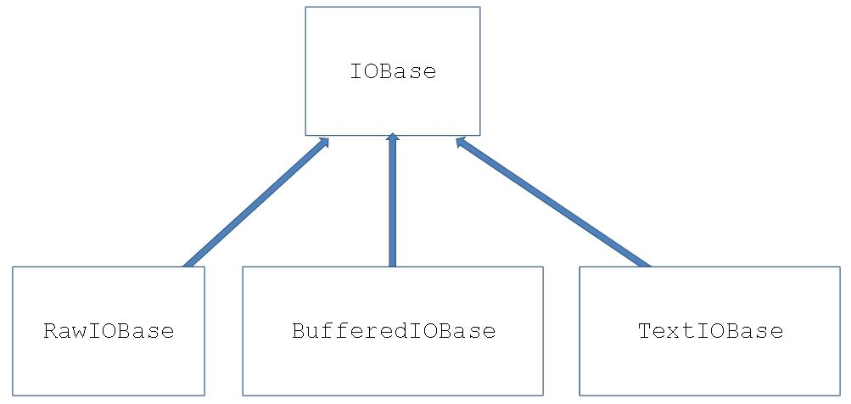

 |  | I.E.
 |  |  | stream1 = open(file1, mode='r', encoding=None) |  |  |  |  |  |  |  |  |  | //* the file associated with the stream must exist, and be readable (permissions)
 |  |  | stream2 = open(file2, mode='w', encoding=None) |  |  |  |  |  |  |  |  |  | //* the file associated with the stream doesn't need to exist. But permission to write must exists in the target directory
 |  |  | stream3 = open(file3, mode='a', encoding=None) |  |  |  |  |  |  |  |  |  | //* append //* the file associated with the stream doesn't need to exist. But permission to write must exists in the target directory
 |  |  | stream3 = open(file3, mode='w+', encoding=None) |  |  |  |  |  |  |  |  |  | //* write and update //* stream can be read and write //* the file associated with the stream doesn't need to exist. But permission to write must exists in the target directory
 |  | open mode
 |  |  | It declare the manner in which the stream will be processed
 |  |  | Types:
 |  |  |  | 1) r |  | Read. It reads and existing file
 |  |  |  | 2)w |  | Write. It writes a new file
...

